Ref- BCase Approval
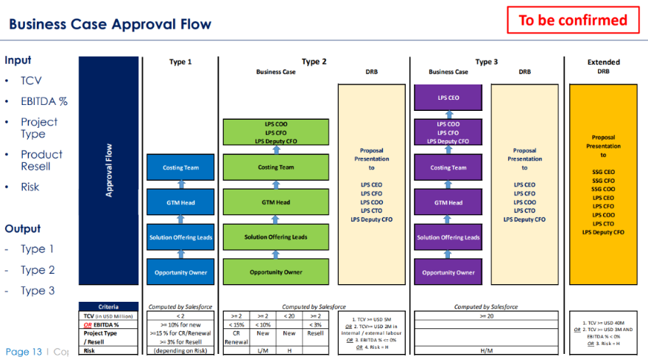

General Flow
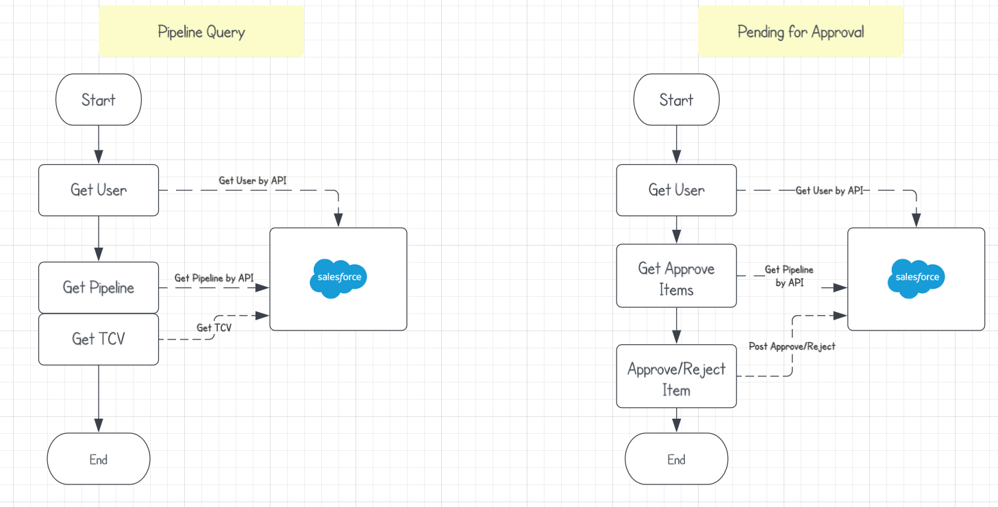
Pipeline Query | Pending for Approve

